Sheet1
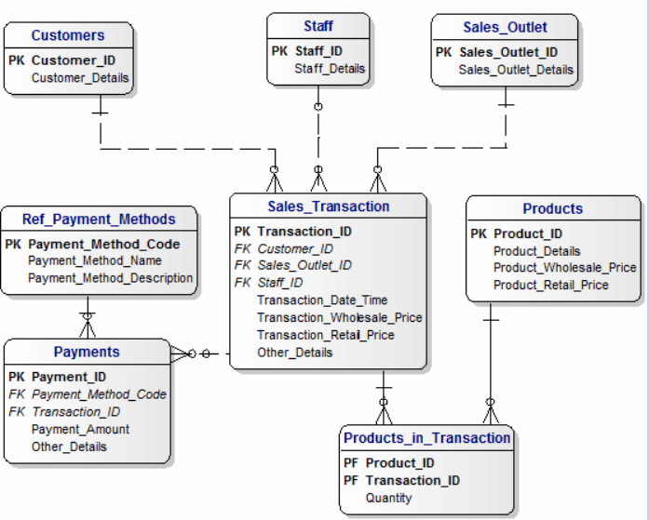
when rajesh buy 4 products -- how many bills I get ==> I get one bill
sales_transcation --> Bill Header / Sales header / Sales_transaction
 |  |  |  |  |  |  | Identify master tables in this model
how many products we bought |  |  | 4
 |  |  |  |  |  |  | Which table will have the least records in this table?

 |  |  |  |  |  |  | Which table will have the most number of records?
 | CUSTOMER |  | SHOP_DIM |  |  | PAYMENT_METHOD_DIM
 |  |  |  |  |  |  | What does Wholesale_price and Retail_price mean?
 |  | SALES_FACT |  | PAYMENT_FACT
 |  | SALES_FACT_ID (pk) |  | PAY_FACT_ID |  |  | Write a query which gives us the Customer name, product_name they purchase, qunatity they purchased in the last year
 |  | SOURCE_TRANSACTION_ID (SOURCE KEY -- REFERENCE PURPOSE) |  | SOURCE_PAY_ID
 |  | CUST_SUR_ID (fk) |  | CUST_SUR_ID |  |  | Find the sales transaction which has more than one payment method (some one pays cash 50% and card 50%)
 |  | SHOP_SUR_ID (fk) |  | SHOP_SUR_ID
 |  | PROD_SUR_ID (fk) |  | EMP_SUR_ID |  |  | Find the customer who purchased more in the current month
 |  | EMP_SUR_ID (fk) |  | PAYMENT_DATE_ID
 |  | SALES_DATE_ID (fk) |  | PAYMENT_METHOD_ID |  |  | Find the products which we did not sell in the current week
measures |  | QTY |  | PAID_AMOUNT
 |  | WHOLE_SALE_PRICE |  |  |  |  | Display payment_method_name, total amount received, number of sales transaction in the current year
 |  | RETAIL_PRICE
 |  | SALES_AMOUNT |  |  |  |  | If you want to enhance this model to capture the returns, what is the table you will add and come out with columns in that table.
 |  |  |  |  | CALENDER_DIM
 | EMP_DIM |  | PRODUCT_DIM |  |  |  | store credit

 |  | FACT
 |  | TRANSACTION TABLE IN oltp SYSTEM
 |  | IN DW ITS CALLED AS FACT TABLE
 |  | FACT CONSISTS OF LINKS TO DIMENSION TABLE
 |  | MEASURES

 |  | MEASURES
 |  | FULLY ADDITIVE MEASURE
 |  | SEMI ADDITIVE MEASURE
 |  | NON ADDITIVE MEASURE

